Bloomberg Risk Summaries
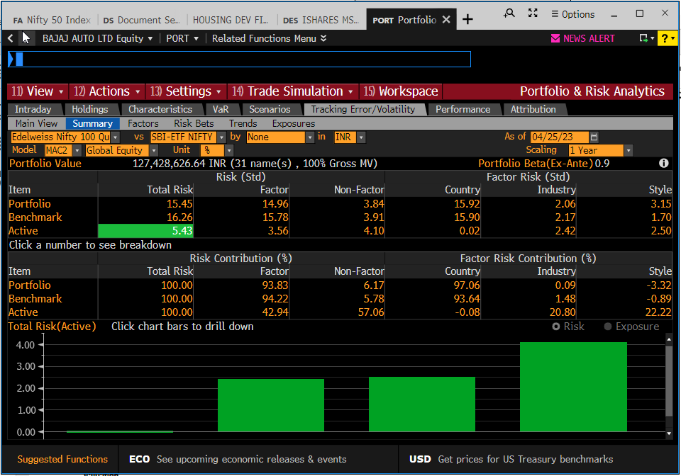
PORT dropdown nos. c. 25-Apr-23: IIFLONE CONCENTRATED PORTFOLIO = 20, SMART BETA - IIFL ONE CORE = 58, LARGE CAP SMART BETA = 25, GROWTH = 10, EDENI30 = 69
SBI-ETF BSE 100 = 89, SBI-ETF NIFTY 50 = 90, SMART BETA BENCHMARK = 49, NIFTY200_20230131 = 23
25 vs. 89
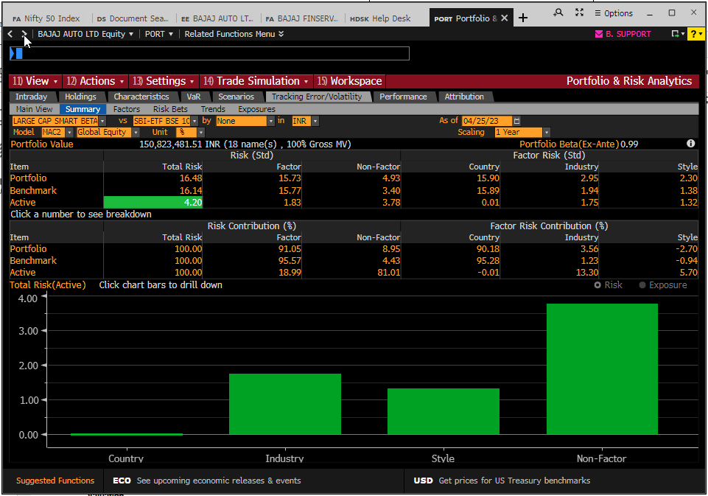
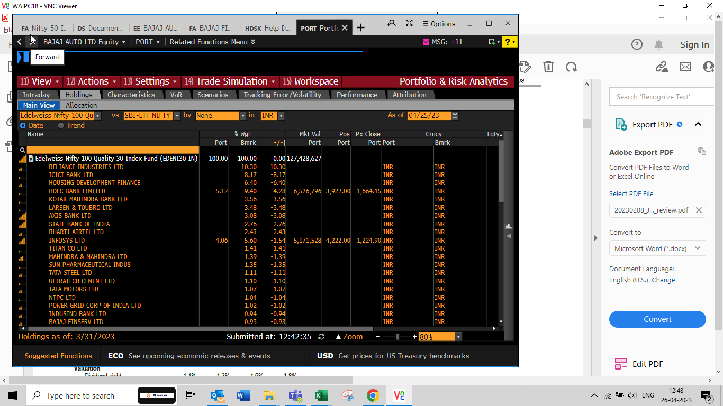

58 vs. 49
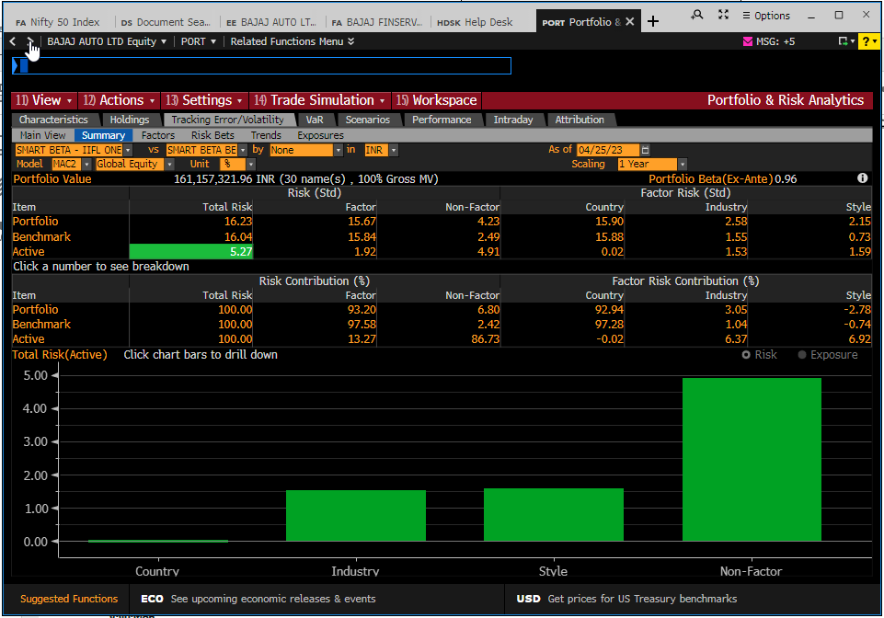

20 vs. 90 | Sizing (loupe/zoom set to 120%)
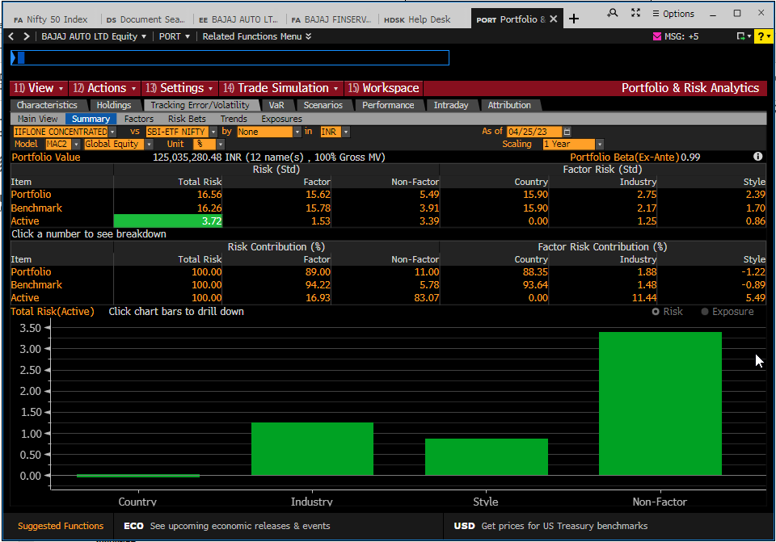

10 vs. 23
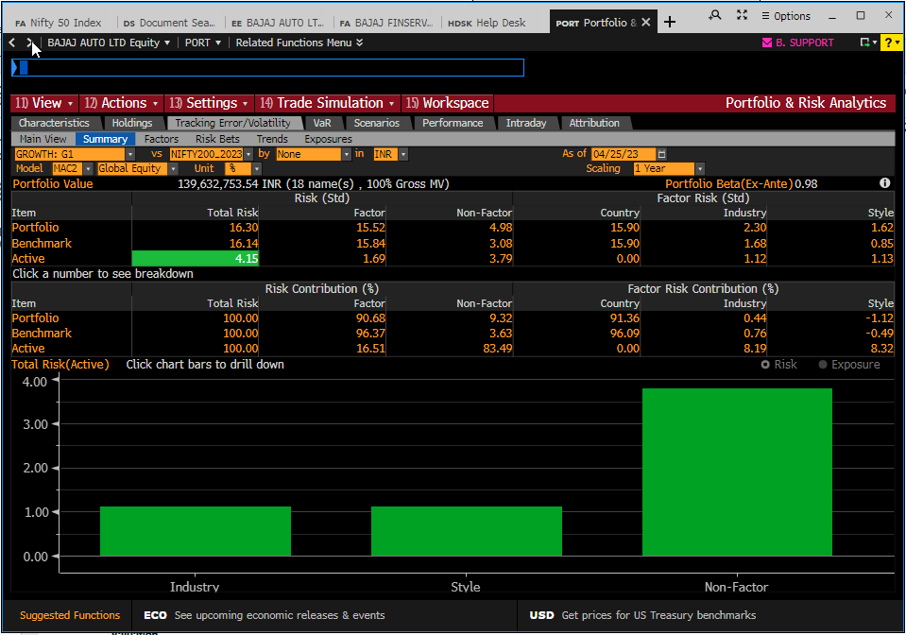

69 vs. 89
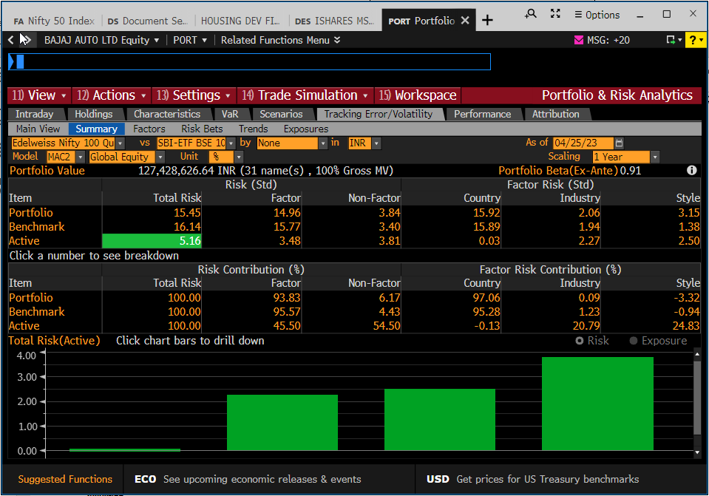

69 vs. 49
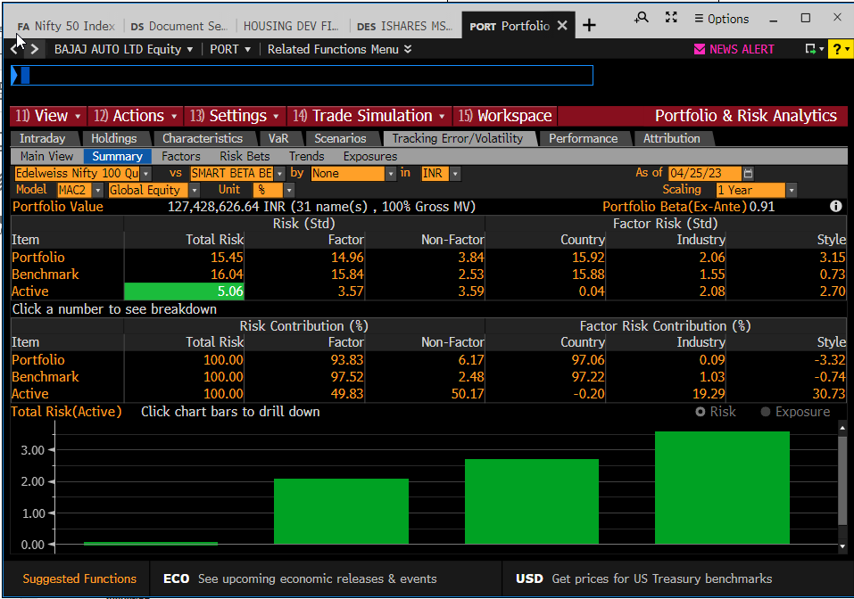

69 vs. 90

Bloomberg Risk Bets
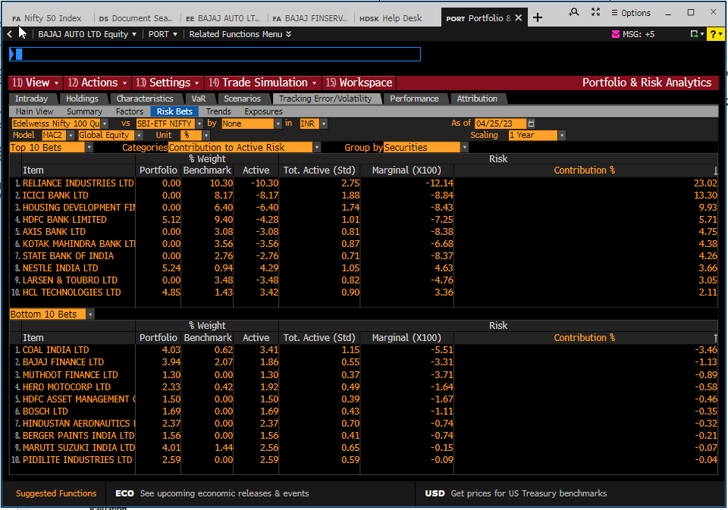
PORT dropdown nos. c. 25-Apr-23: IIFLONE CONCENTRATED PORTFOLIO = 20, SMART BETA - IIFL ONE CORE = 58, LARGE CAP SMART BETA = 25, GROWTH = 10, EDENI30 = 69
SBI-ETF BSE 100 = 89, SBI-ETF NIFTY 50 = 90, SMART BETA BENCHMARK = 49, NIFTY200_20230131 = 23
25 vs. 89
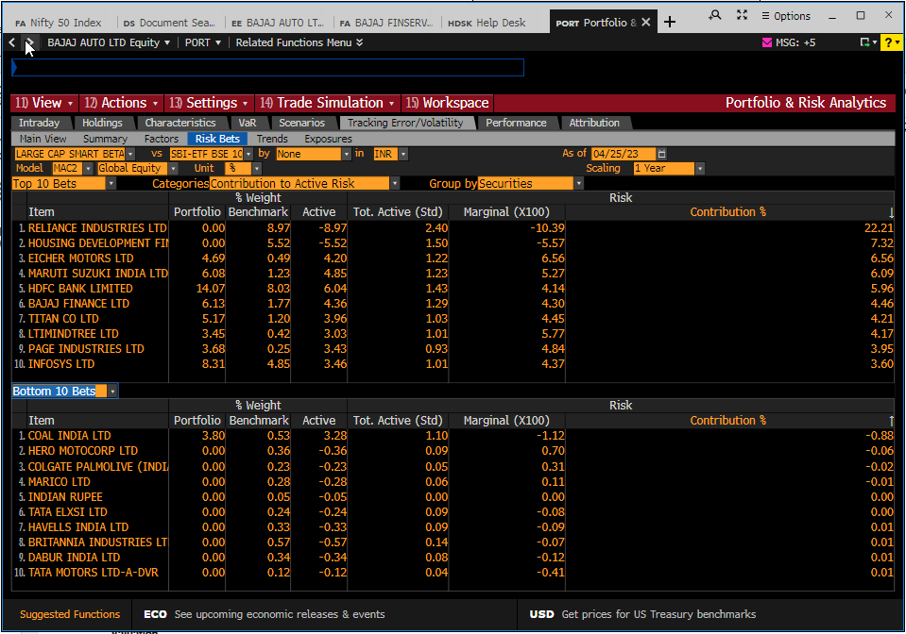

58 vs. 49
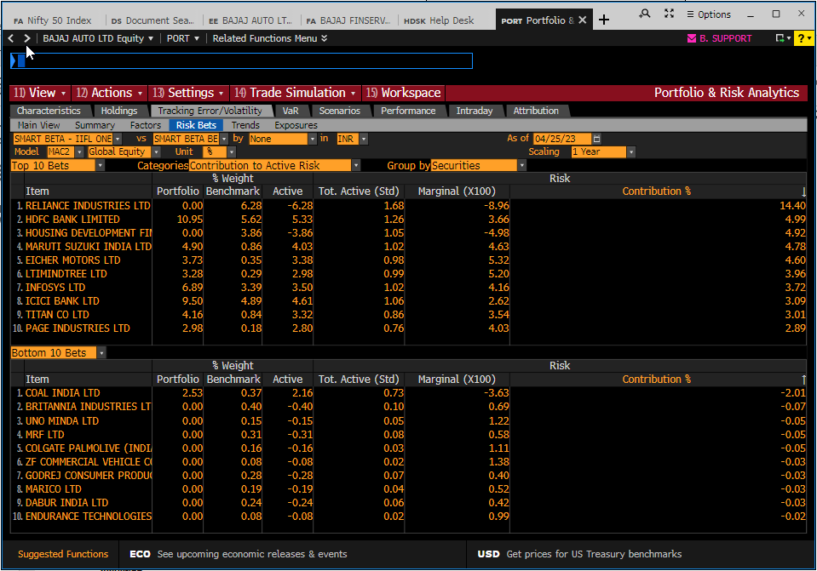

20 vs. 90 | Sizing (loupe/zoom set to 120%)
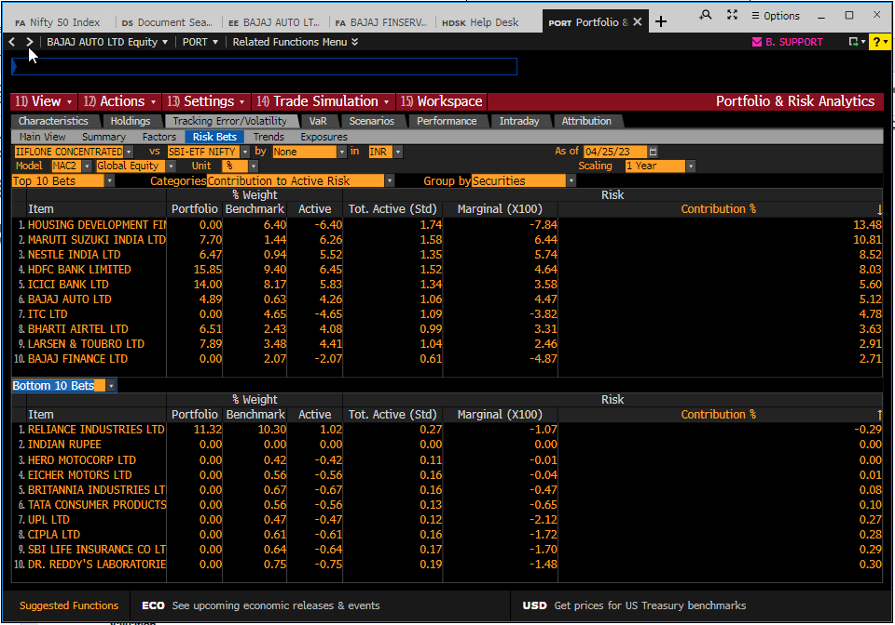

10 vs. 23
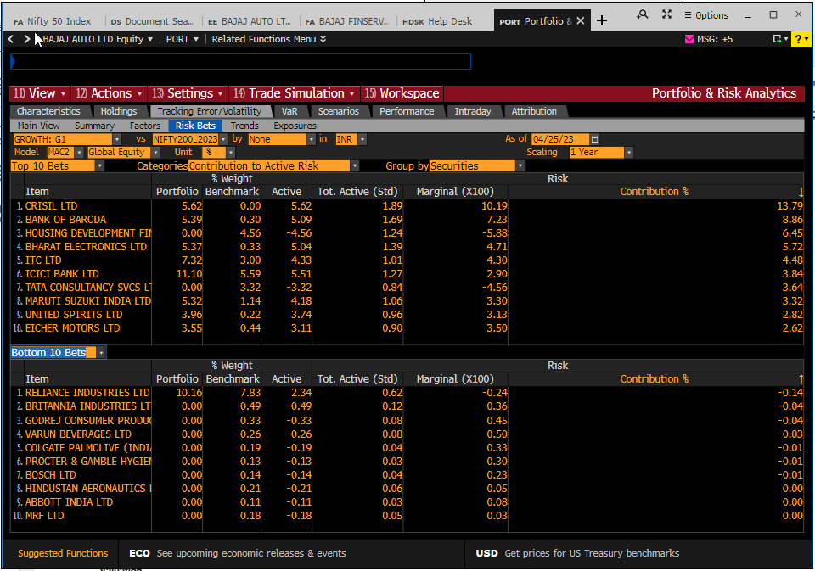

69 vs. 89
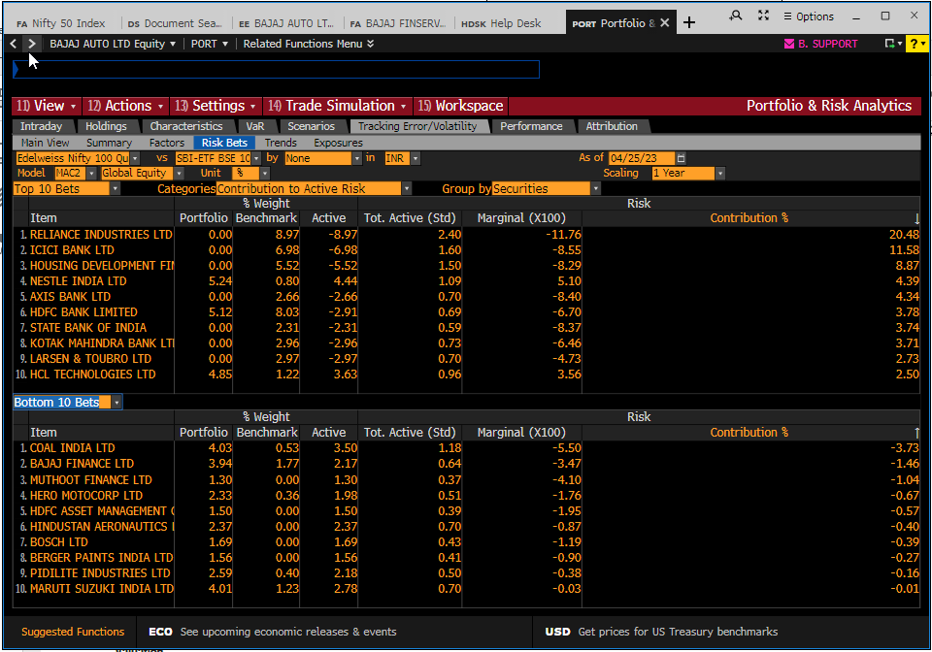

69 vs. 49
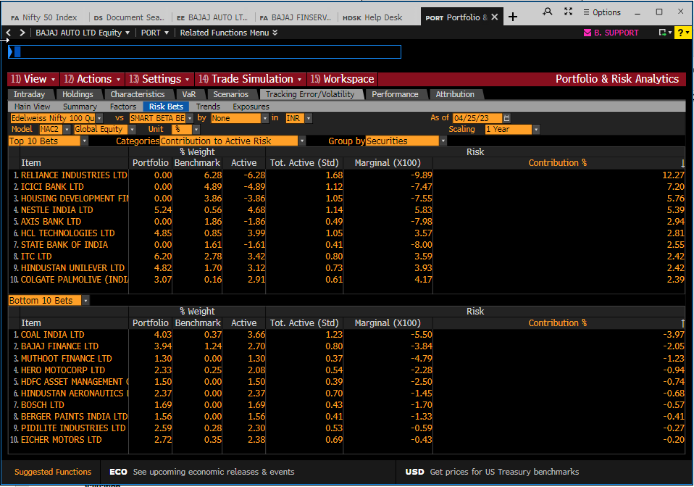

69 vs. 90

Bloomberg Active Bets
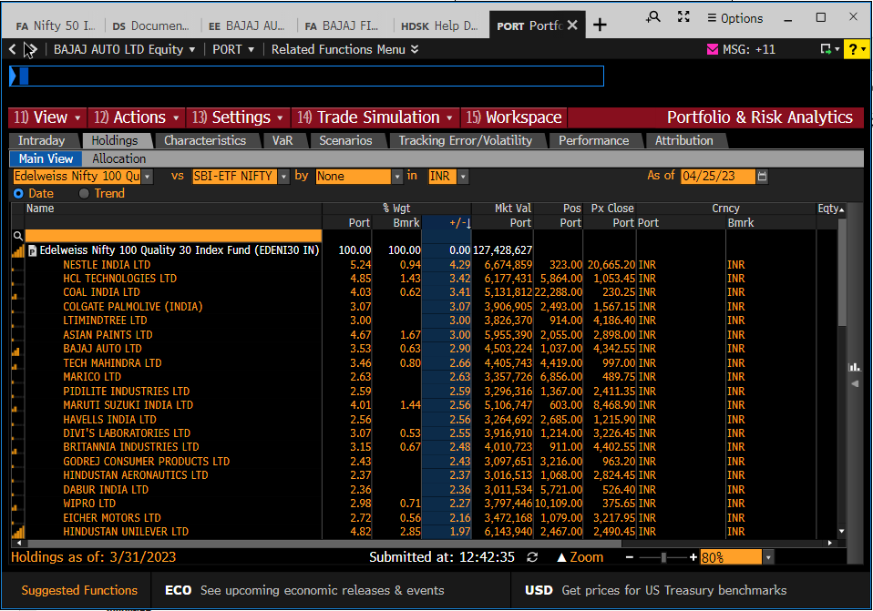
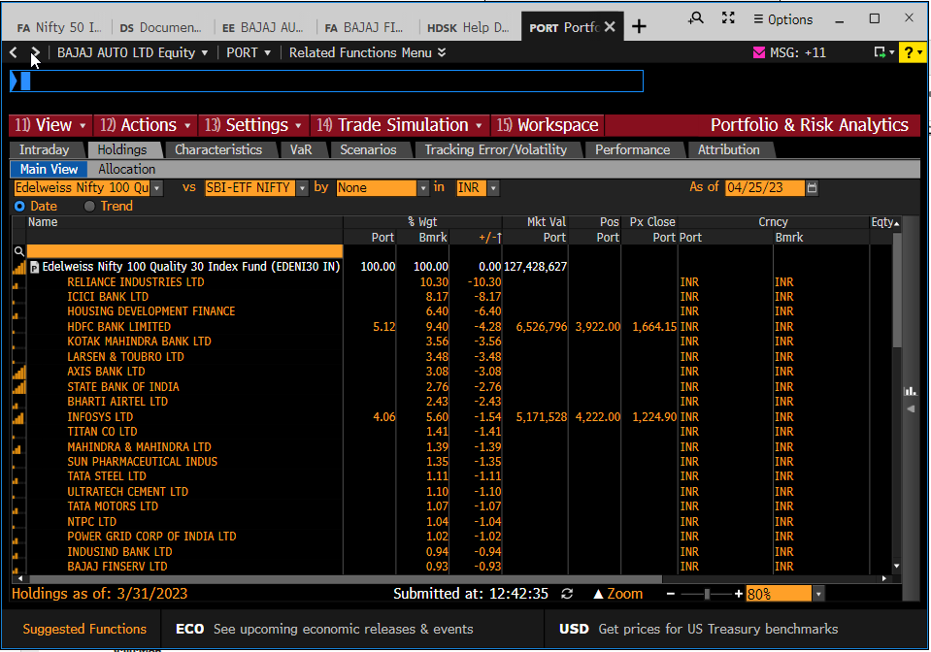
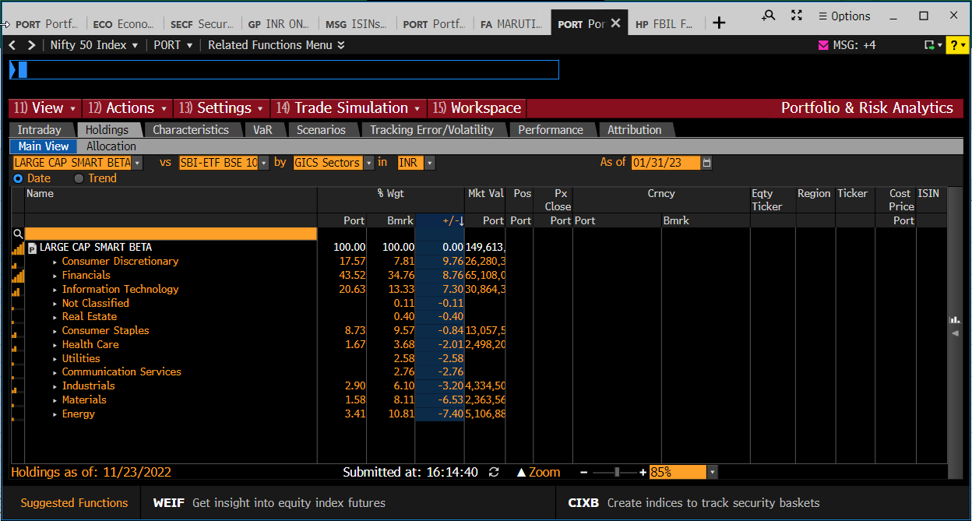
PORT dropdown nos. c. 25-Apr-23: IIFLONE CONCENTRATED PORTFOLIO = 20, SMART BETA - IIFL ONE CORE = 58, LARGE CAP SMART BETA = 25, GROWTH = 10, EDENI30 = 69
SBI-ETF BSE 100 = 89, SBI-ETF NIFTY 50 = 90, SMART BETA BENCHMARK = 49, NIFTY200_20230131 = 23
25 vs. 89
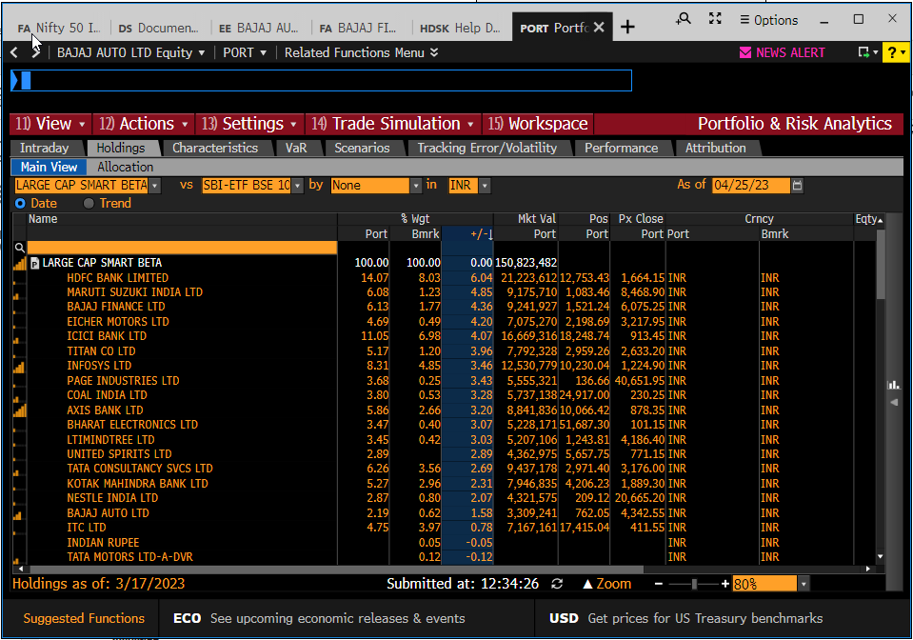
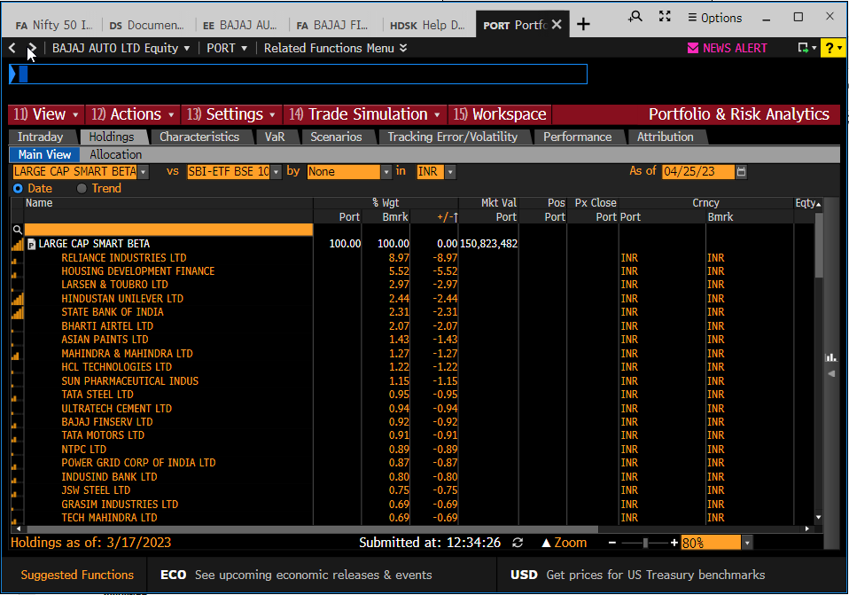

58 vs. 49
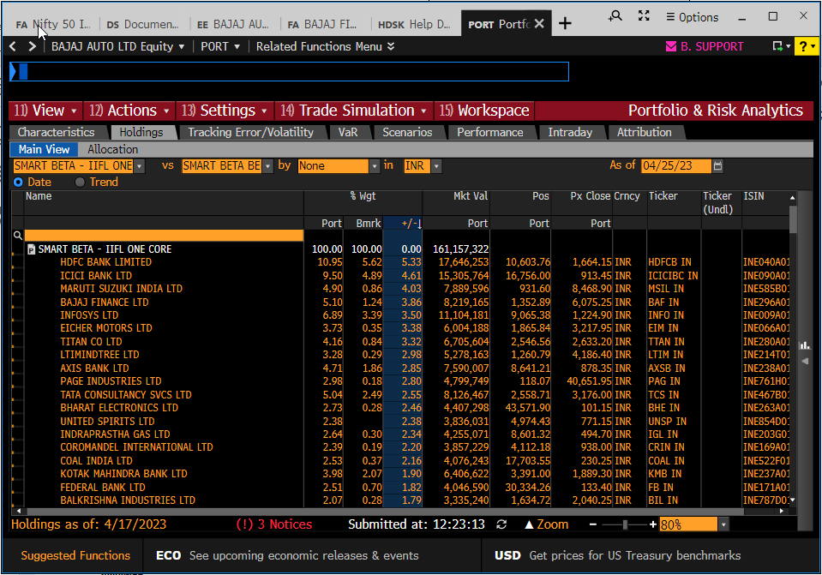
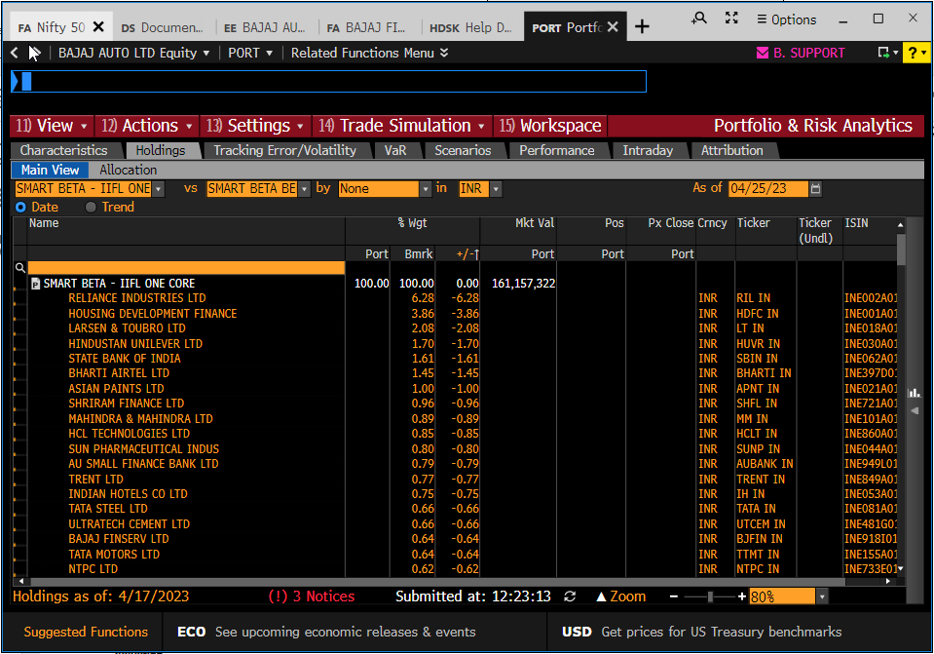
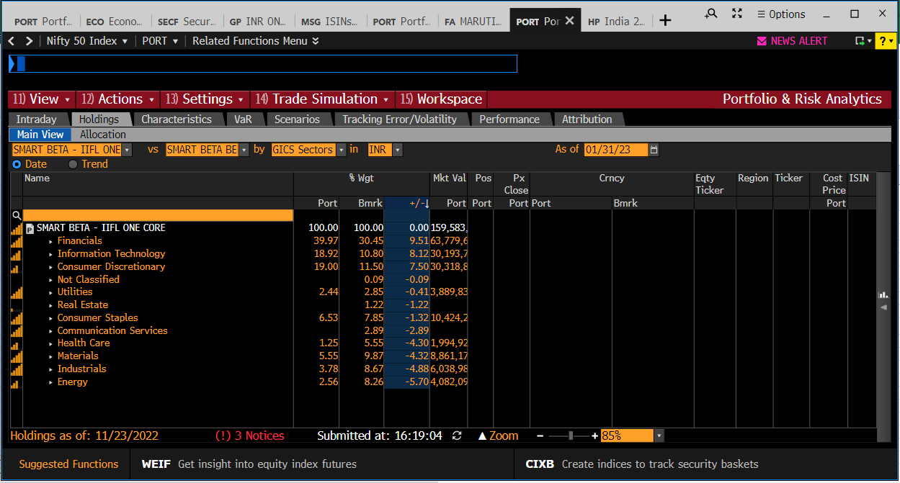

20 vs. 90
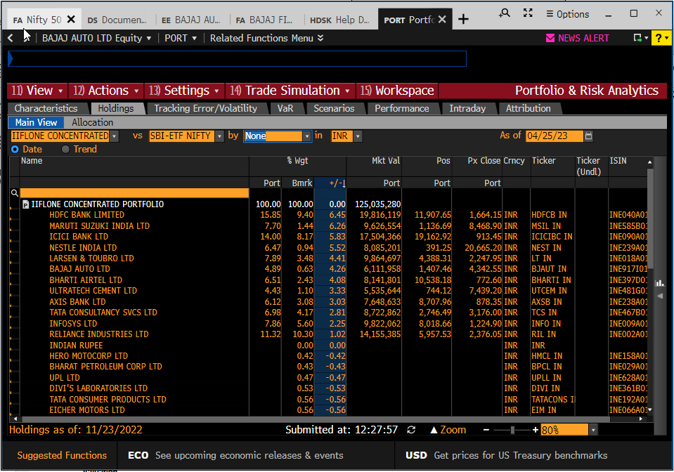
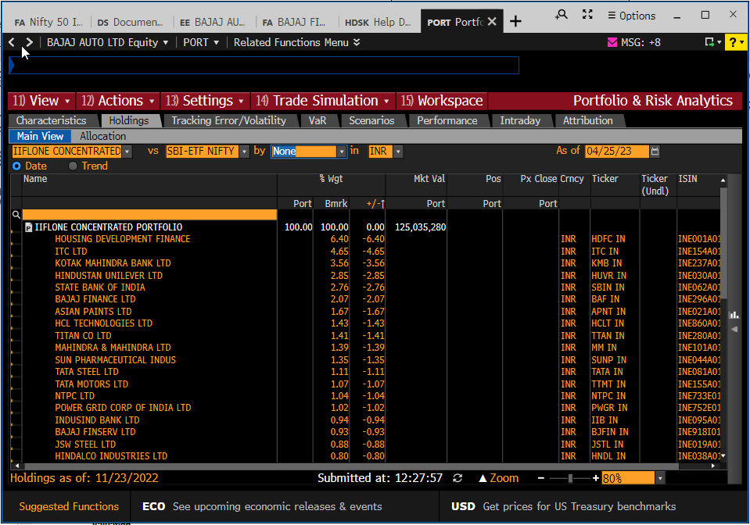
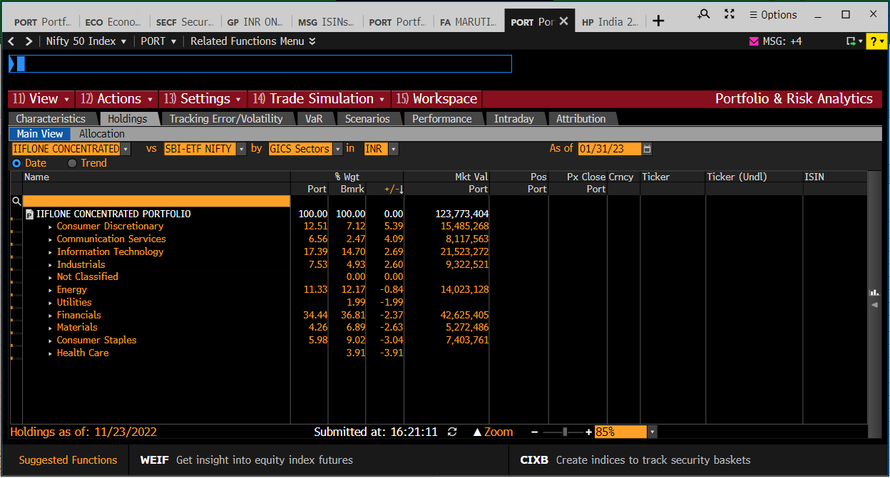

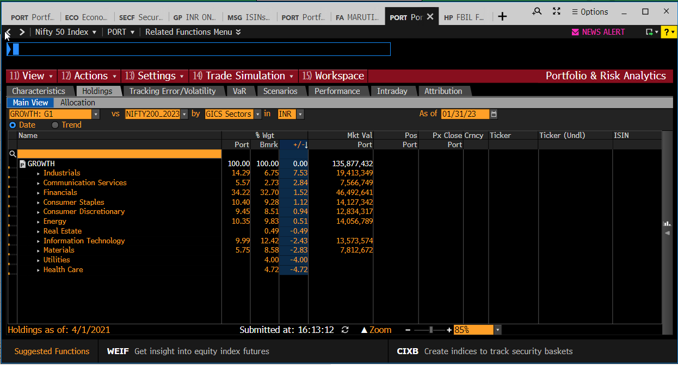
10 vs. 23
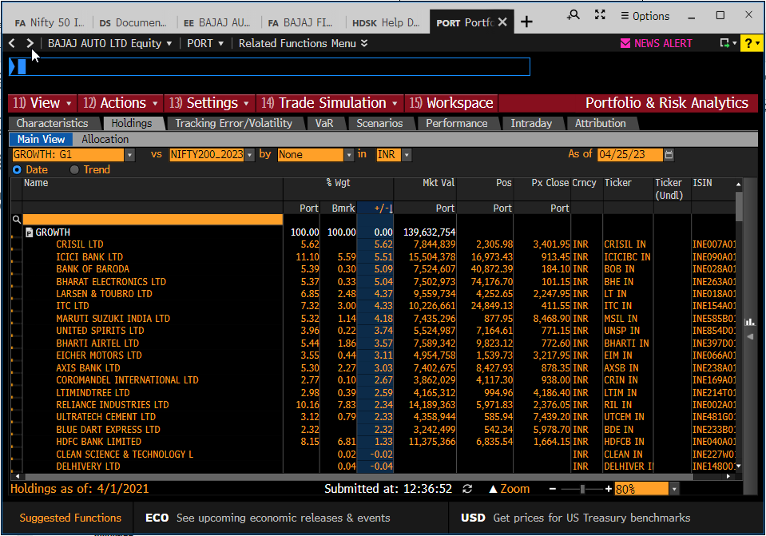
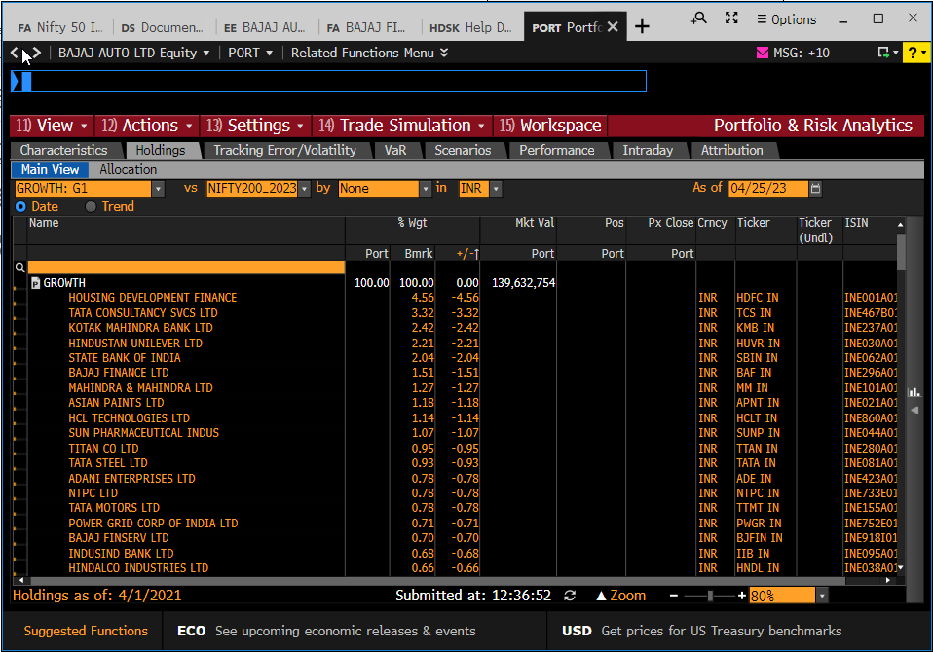

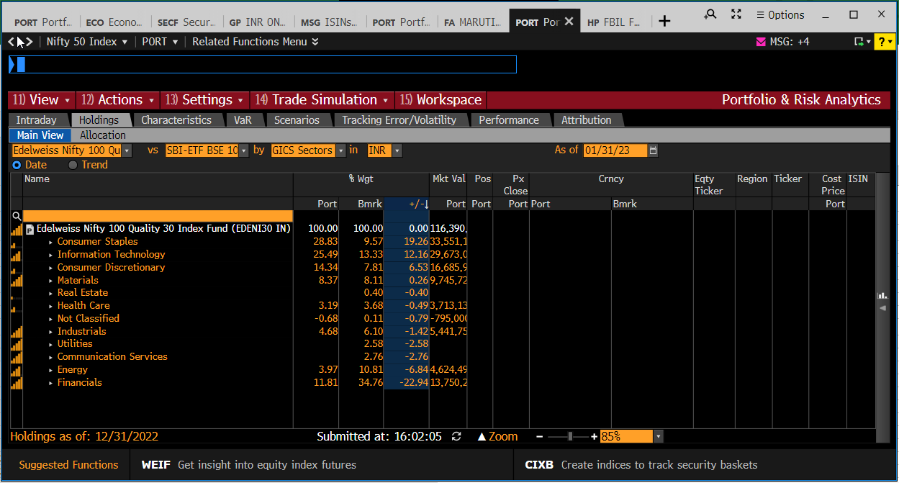

69 vs. 89
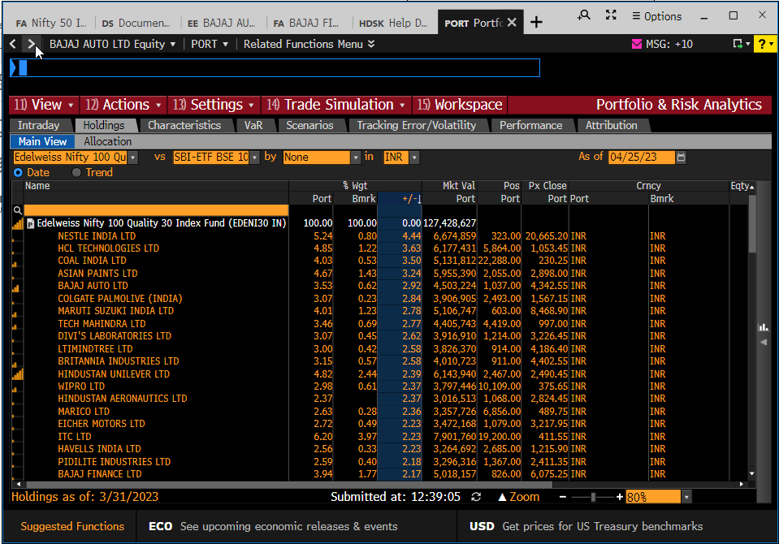
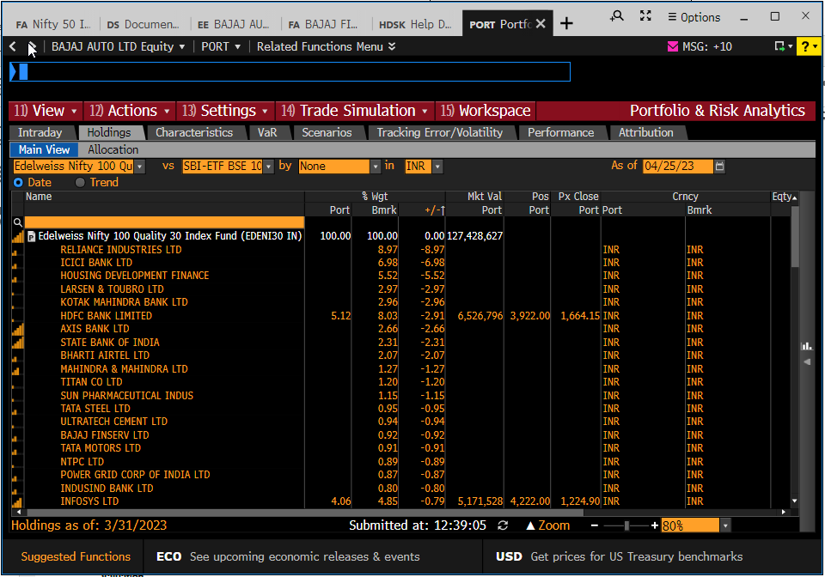

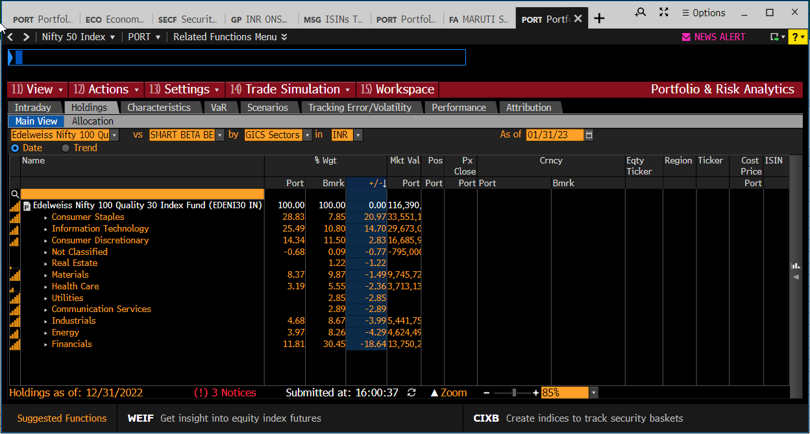

69 vs. 49



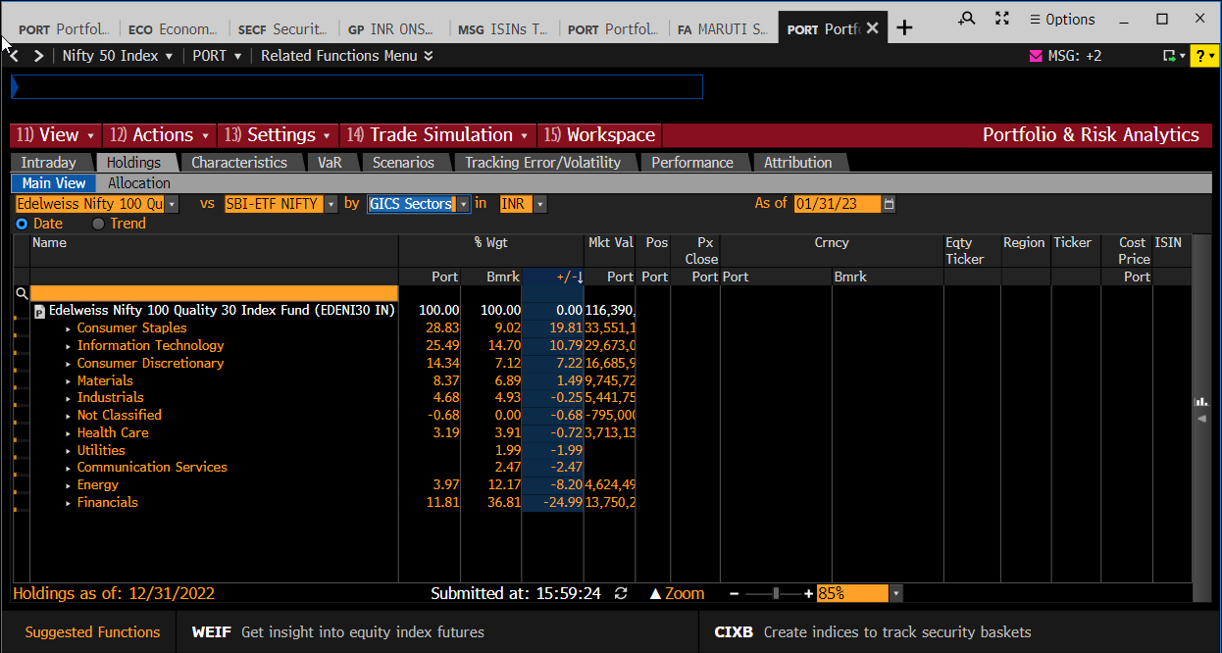

69 vs. 90

Factor Exposures chart
Active Factor Exposures
 | LC_SB vs. SBI BSE100 ETF | LCMC_SB vs. Smart Beta Benchmark | Concentrated_SB vs. SBI NIFTY 50 ETF | Growth_SB vs. NIFTY 200 | Edelweiss N100 Q30 vs. SBI BSE100 ETF | Edelweiss N100 Q30 vs. Smart Beta Benchmark | Edelweiss N100 Q30 vs. SBI NIFTY 50 ETF
GL DivYld | +0.07 | +0.06 | -0.20 | -0.14 | +0.43 | +0.49 | +0.42
GL EarnVariab | +0.18 | +0.07 | -0.07 | -0.03 | +0.40 | +0.20 | +0.47
GL Growth | +0.13 | +0.08 | -0.03 | -0.04 | +0.02 | -0.07 | +0.06
GL Leverage | -0.33 | -0.37 | -0.16 | -0.21 | -0.71 | -0.71 | -0.73
GL Momentum | +0.04 | +0.04 | +0.03 | +0.23 | +0.00 | -0.01 | -0.02
GL Profit | +0.43 | +0.41 | +0.12 | +0.04 | +0.95 | +0.98 | +0.94
GL Size | -0.13 | +0.02 | +0.13 | +0.07 | -0.83 | -0.33 | -1.04
GL TradeAct | -0.04 | -0.11 | -0.09 | -0.03 | -0.17 | -0.29 | -0.11
GL Value | -0.15 | -0.17 | -0.12 | -0.06 | -0.30 | -0.29 | -0.32
GL Volatility | -0.11 | -0.14 | -0.06 | -0.02 | -0.06 | -0.06 | -0.07

